Analysis 1
Generating Demand Curve and determining Price (of one room)
STEP 1
Survey

No. of Visitors | 500
% for Sample |  |  | Enter the % (just the number) for which the survey is being conducted
Sample Size | 0 | people

STEP 2
In the below table enter the trial values (based on your survey how much consumers are ready to pay for 1 day stay)

Data
Customers | Ready to Pay (in Rs)
1 | Trial Values |  |  |  |  | 877
2 | Trial Values |  |  |  |  | 1149
3 | Trial Values |  |  |  |  | 1140
4 | Trial Values |  |  |  |  | 1465
5 | Trial Values |  |  |  |  | 967
6 | Trial Values |  |  |  |  | 1204
7 | Trial Values |  |  |  |  | 1133
8 | Trial Values |  |  |  |  | 1277
9 | Trial Values |  |  |  |  | 1151
10 | Trial Values |  |  |  |  | 950

 |  | STEP 3
 |  | Copy the values of C17 to C26 into D34 to D43 and F34 to 43
 |  | Use this formula in E34 and (copy it to E43)
 | Ready to Pay (Y or q)
 |  | Ready to Pay | Demand (x or p) | Ready to Pay (Y or q)

 |  |  |  |  | STEP 4
 |  |  |  |  | From the above graph, Generate the demand equation

 |  |  |  |  | X Axis -> Demand
 |  |  |  |  | Y Axis -> Price

STEP 5
Simplify the equation for "Price"

Price =

Demand =

If this equation is for 2% market then for 100% market it should be multiplied by 50

Demand =

Assumption: You can assume the following initial demand
If the initial demand is 20% then multiply the equation by 0.2
If the initial demand is 35% then multiply the equation by 0.35

Finally your equation of Demand =

STEP 6
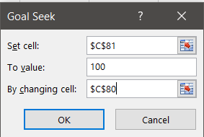
Goal Seek
Constant
Price Constant
Price | Trial Price
Demand = | #VALUE!
Revenue = | #VALUE!

Conclusion
The Room price should be set to ₹

Analysis 2
With this Demand equation find the suitable room price using Solver (Single Pricing)

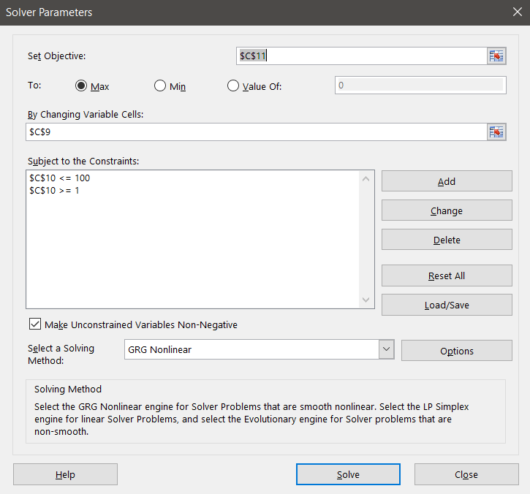
Demand =

Solver | CASE1
Constant
Demand Constant
Price | Trial Price | <- Price suggested by Solver
Demand = | #VALUE!
Revenue = | #VALUE!

Analysis 3
High and Low Pricing for equal (high & low) demand

Demand =

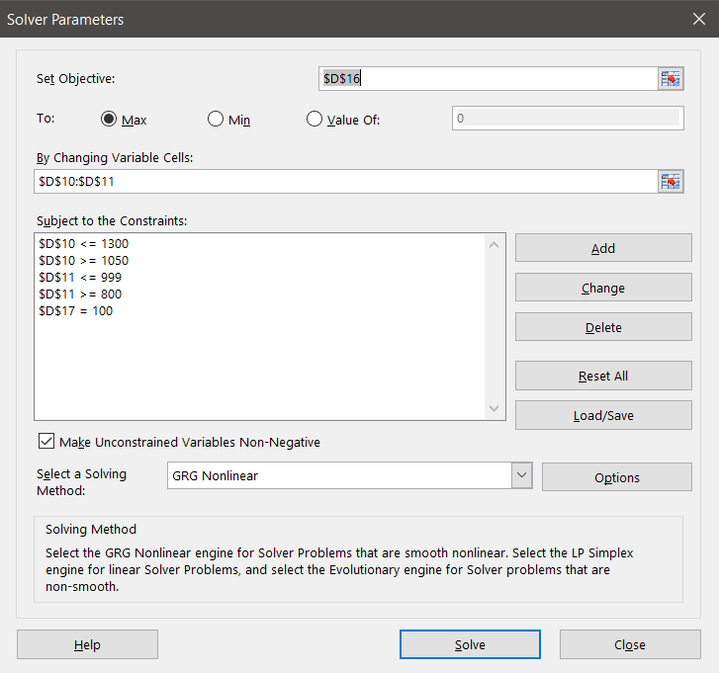
 | Solver
 | Constant
 | Demand Constant
Price | High = | Trial Price | <- High Price suggested by Solver
 | Low = | Trial Price | <- Low Price suggested by Solver
Demand | High = | #VALUE!
 | Low = | #VALUE!
Revenue | High = | #VALUE!
 | Low = | #VALUE!
 | Total Revenue | #VALUE!
 | Total Capacity | #VALUE!

Market Down Pricing
The idea behind markdown pricing is that as time goes on, the value of an item to customers often falls.
This logic especially applies to seasonal and perishable goods.

Question
Suppose you have 400 swimsuits to sell
Following demand curves:
■ Month 1 Demand = 300 – price
■ Month 2 Demand = 300 – 1.3price
■ Month 3 Demand = 300 – 1.8price

Determine the sequence of prices that maximizes your revenue?

 | Month 1 | Month 2 | Month 3
intercept | 300 | 300 | 300
slope | -1 | -1.3 | -1.8
price | trial price | trial price | trial price
demand | #VALUE! | #VALUE! | #VALUE! | #VALUE!
revenue | #VALUE! | #VALUE! | #VALUE! | #VALUE!

Cost | 100
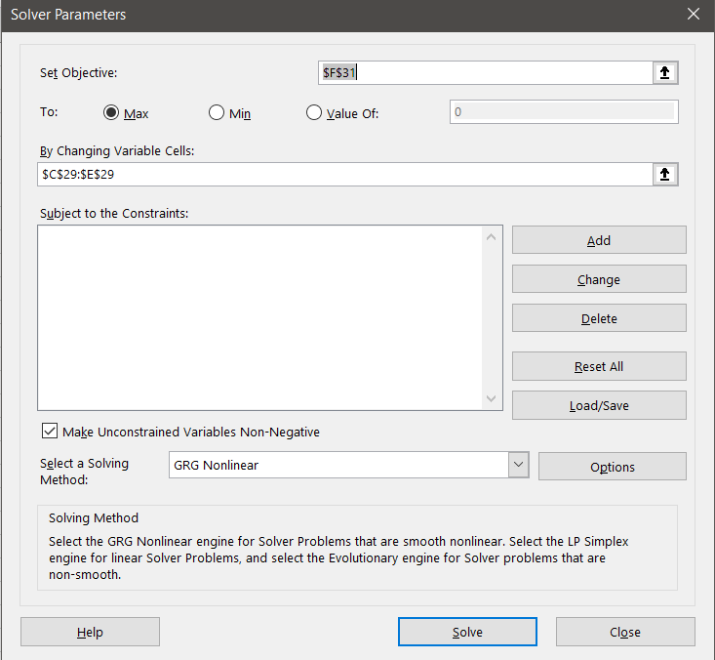
 | Month 1 | Month 2 | Month 3
intercept | 300 | 300 | 300
slope | -1 | -1.3 | -1.8
price | trial price | trial price | trial price
demand | #VALUE! | #VALUE! | #VALUE! | #VALUE!
Profit | #VALUE! | #VALUE! | #VALUE! | #VALUE!

